15.1
The evidence 15.1
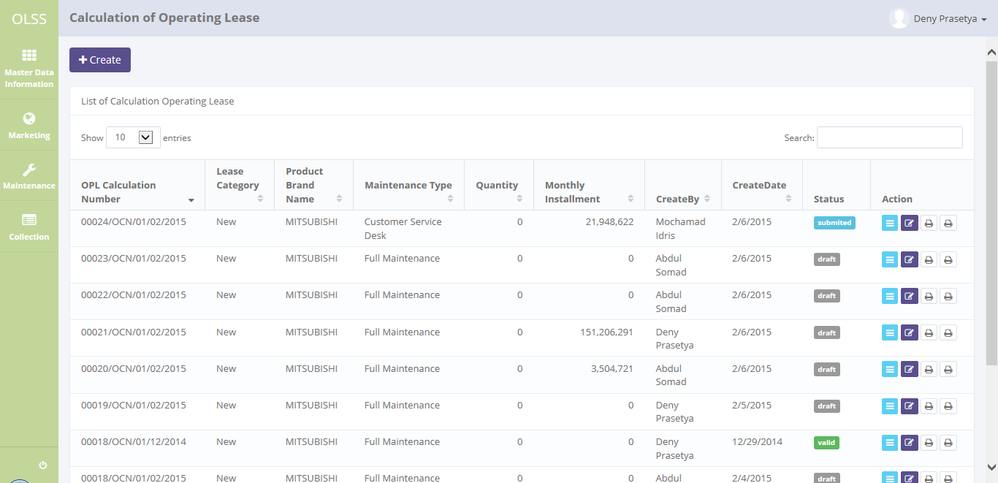
Step 1

Step 2.a

The evidence 15.1
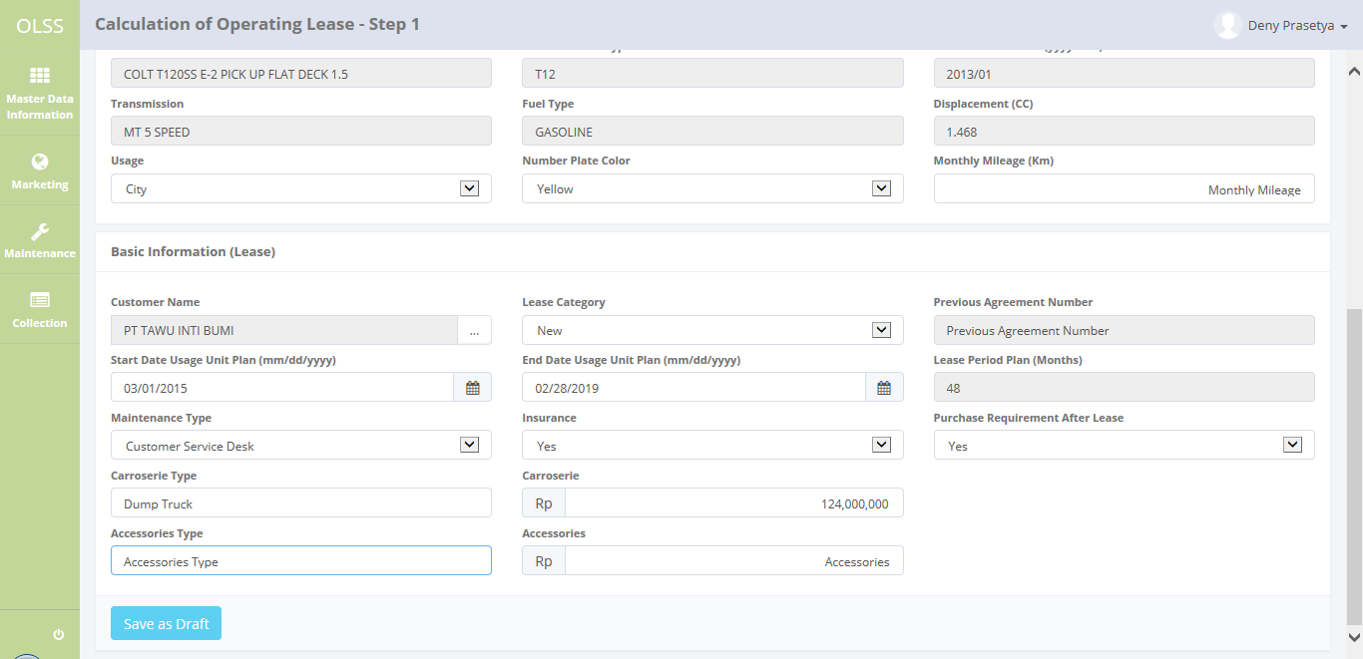

Step 2.b

Step 3

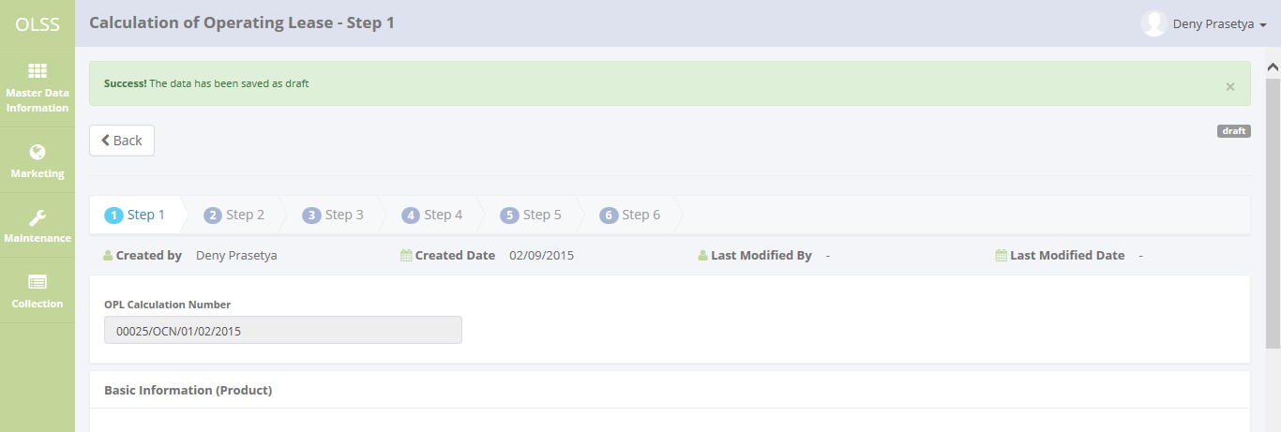

Step 4

15.2
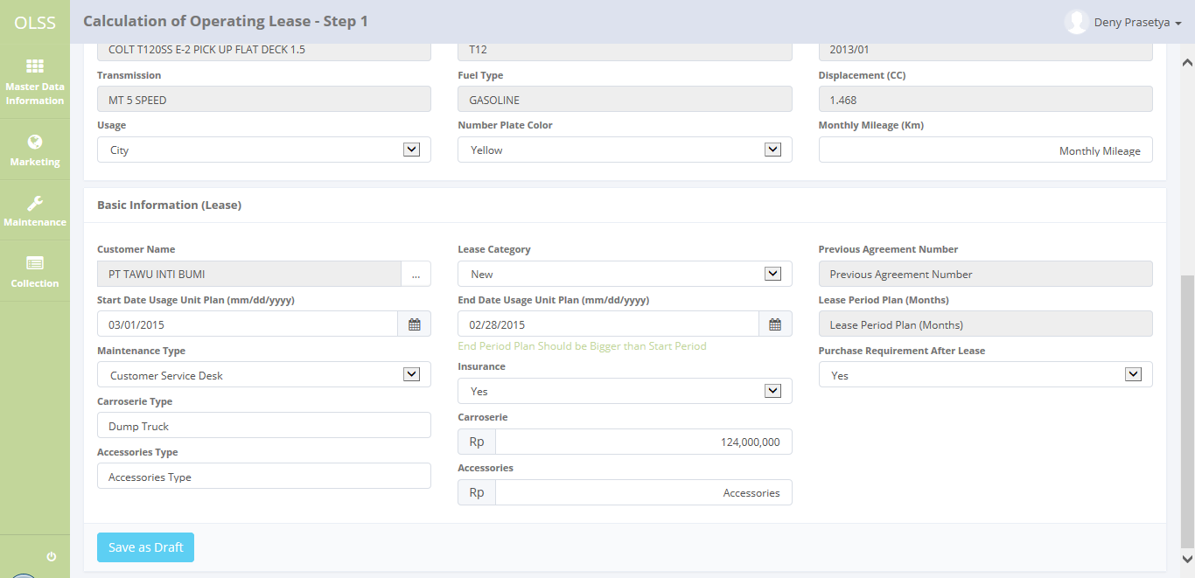
The evidence 15.2

15.3
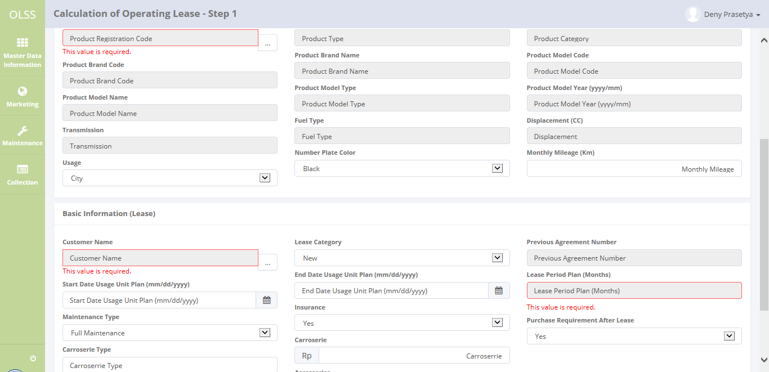
The evidence 15.3

16.1
The evidence 16.1
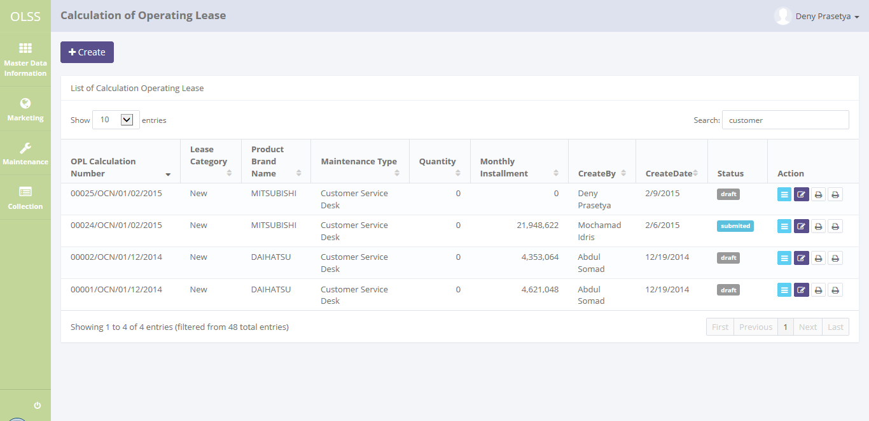

entry keyword "customer"
Display as ascending

Total search result

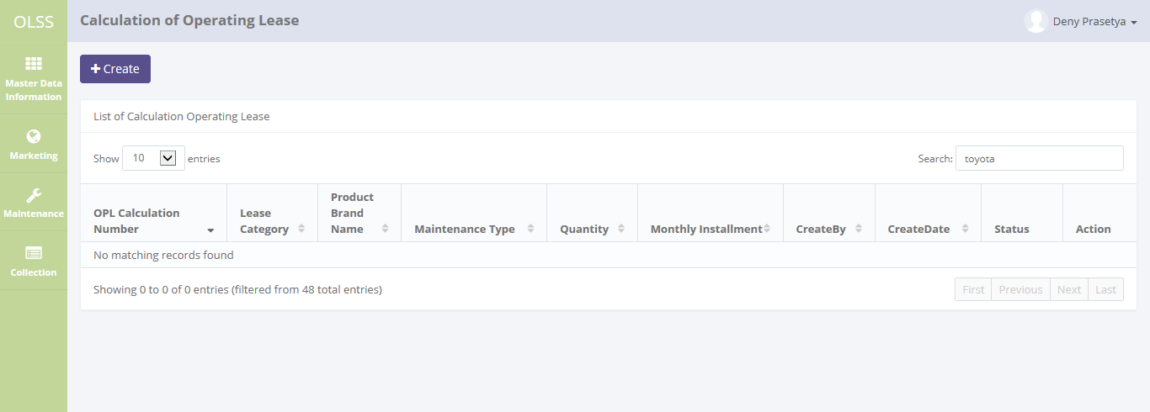

entry keyword "toyota" with no result

17.1
The evidence 17.1
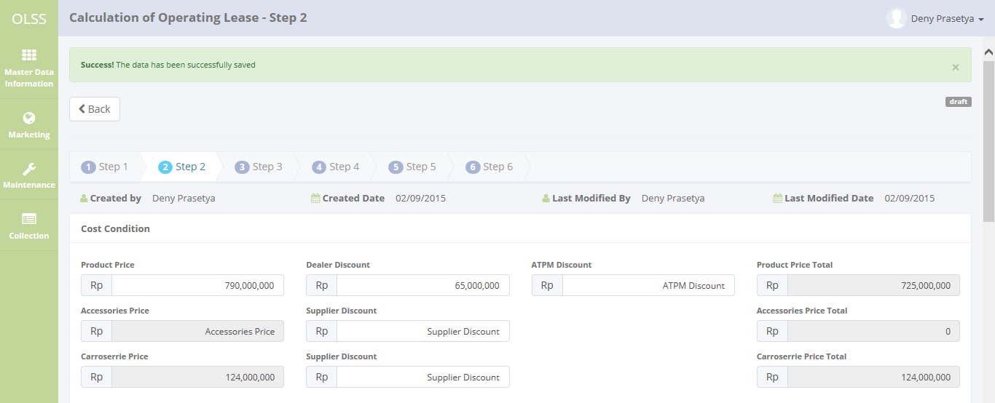

Step 3.a

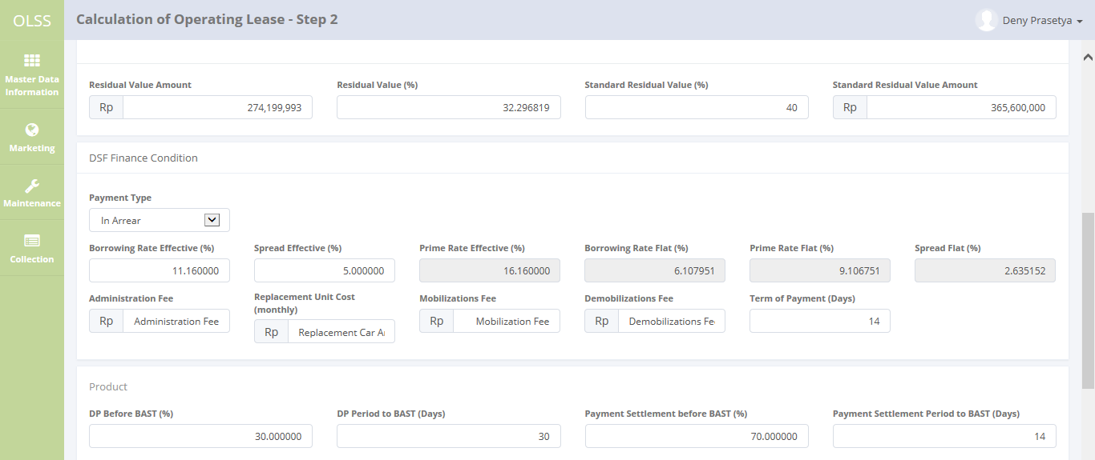

Step 3.b

The evidence 17.1
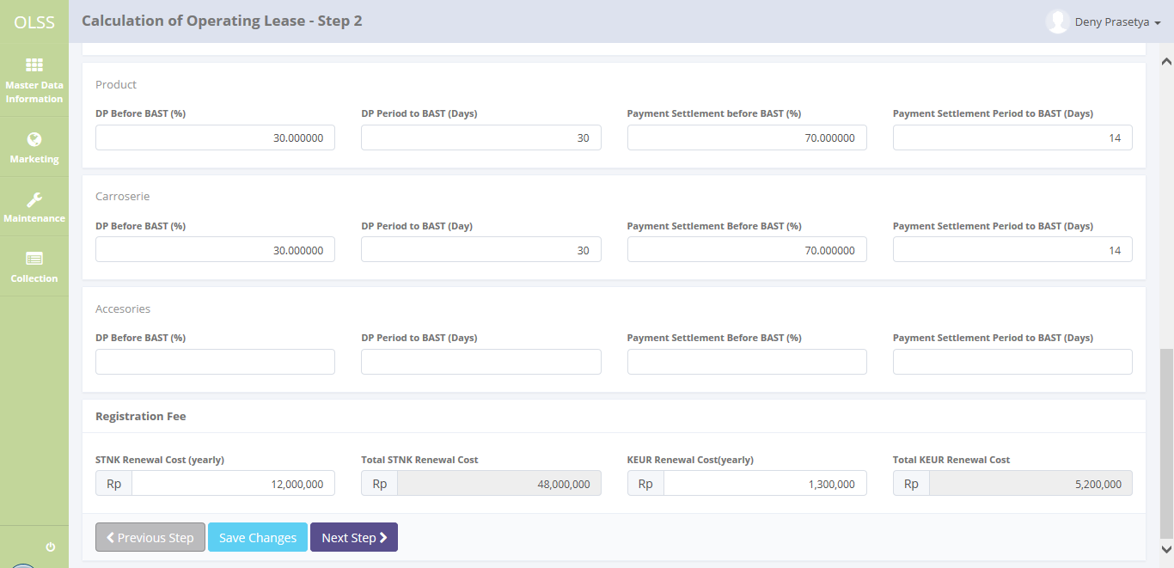

Step 3.c

Step 3.d

Step 3.e

Step 3.f

17.2
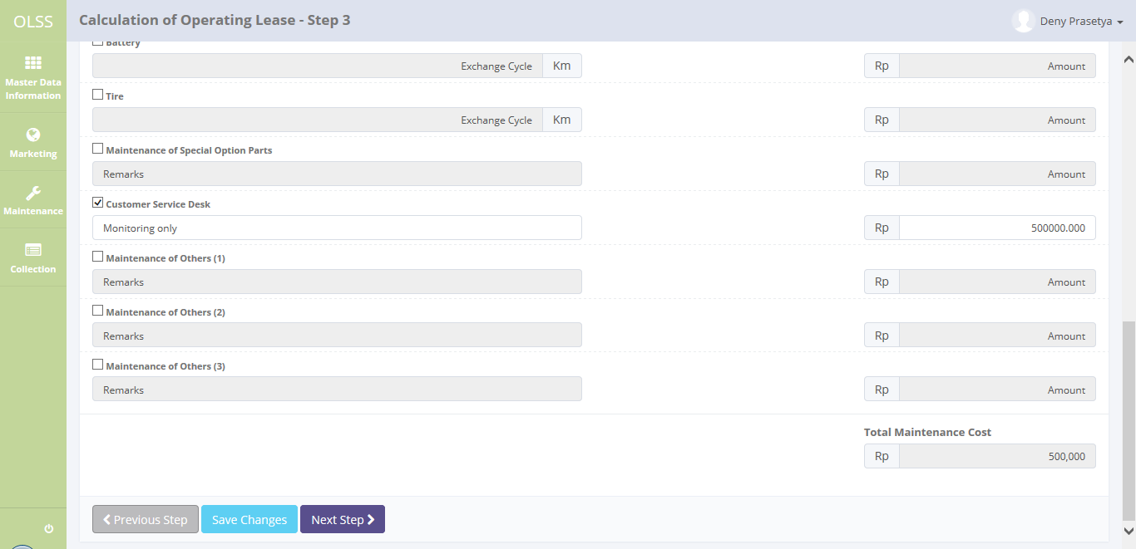
The evidence 17.2
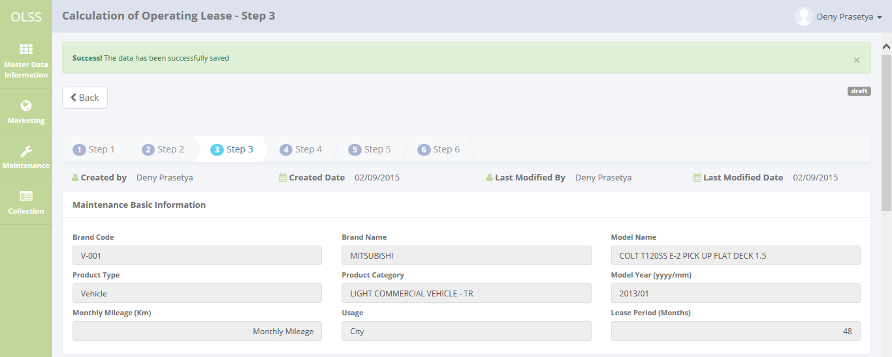

Step 2.a

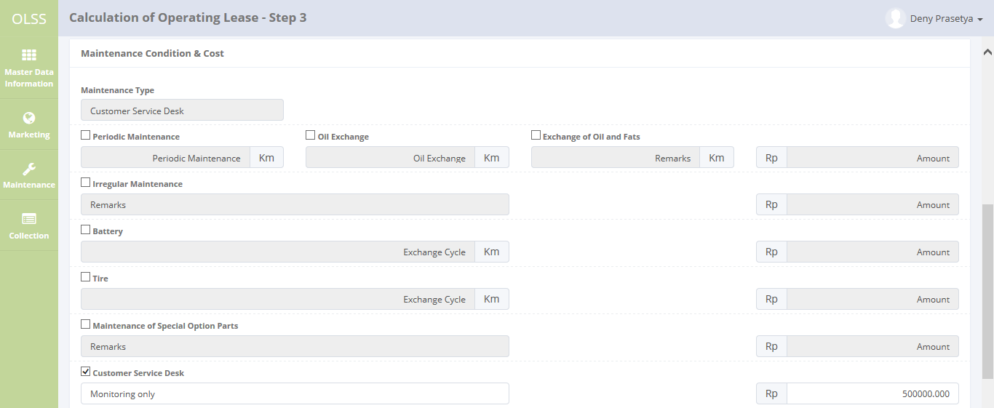

Step 2.b

The evidence 17.2

17.3
The evidence 17.3
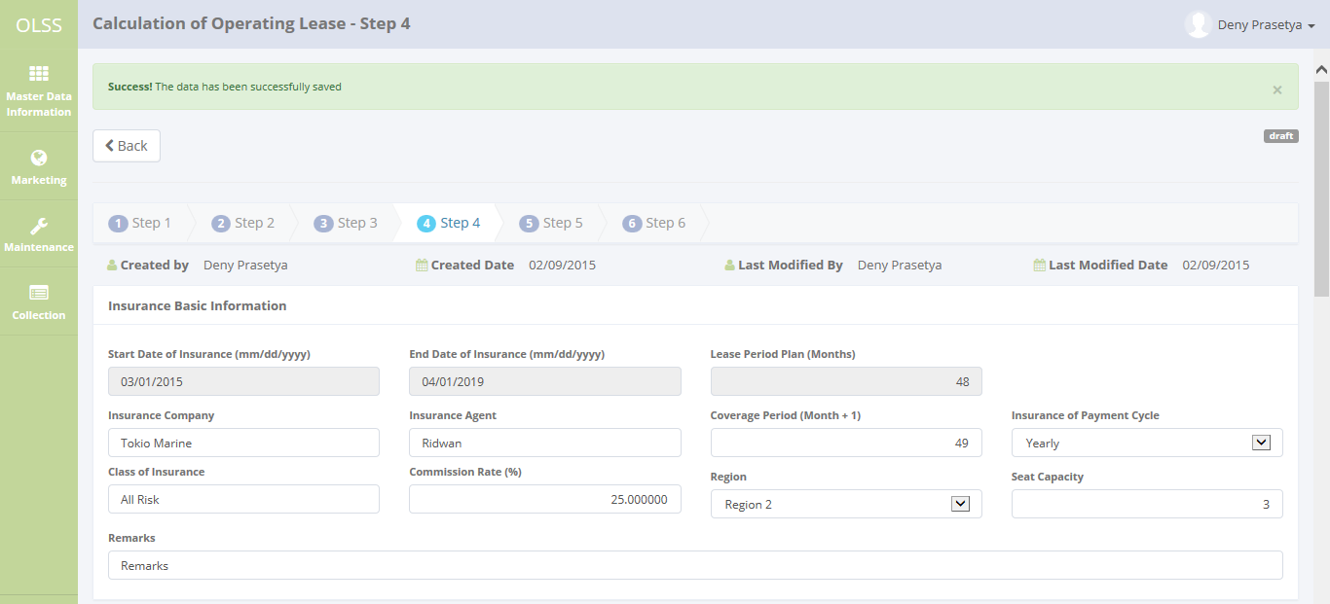

Step 2.a

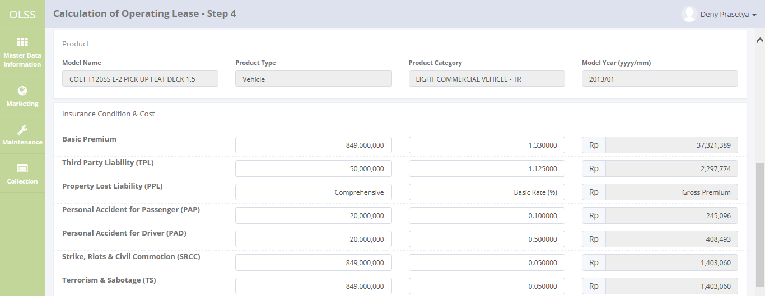

Step 2.b

Step 2.c

The evidence 17.3

17.4
The evidence 17.4
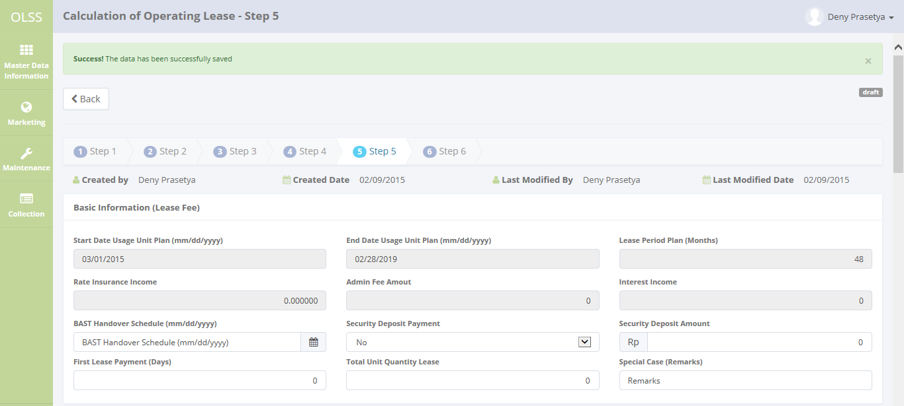

Step 2.a

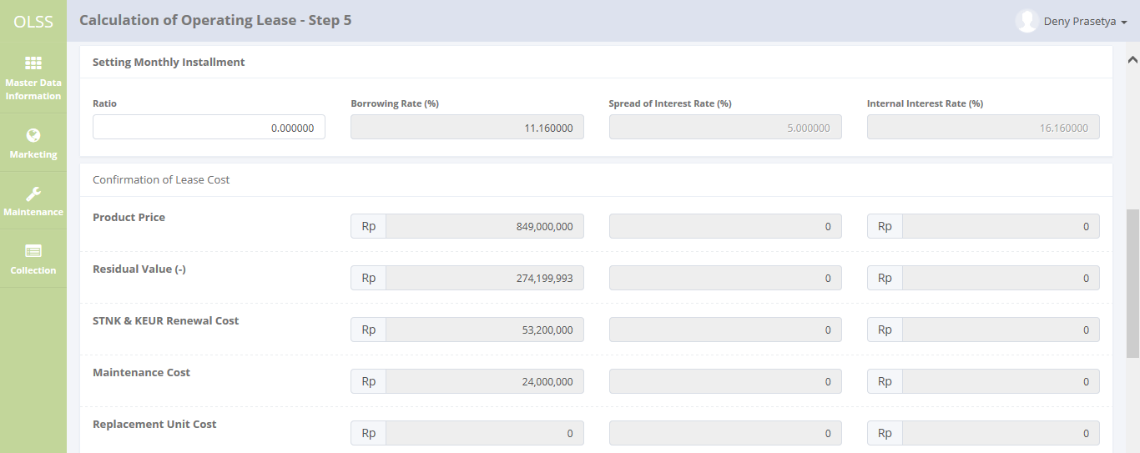

Step 2.b

Step 2.c

The evidence 17.4
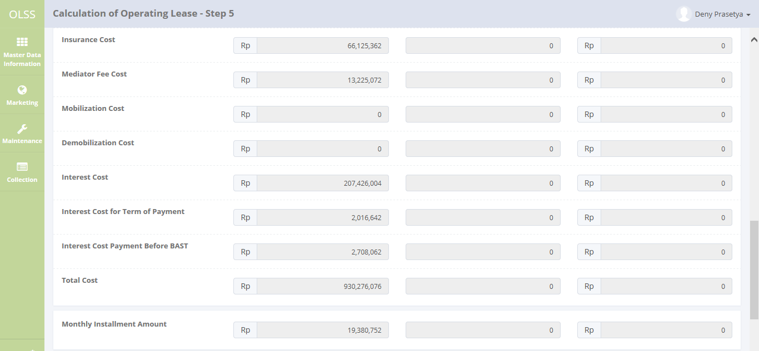
There are different value

There are different value

There are different value

There are different value

17.6
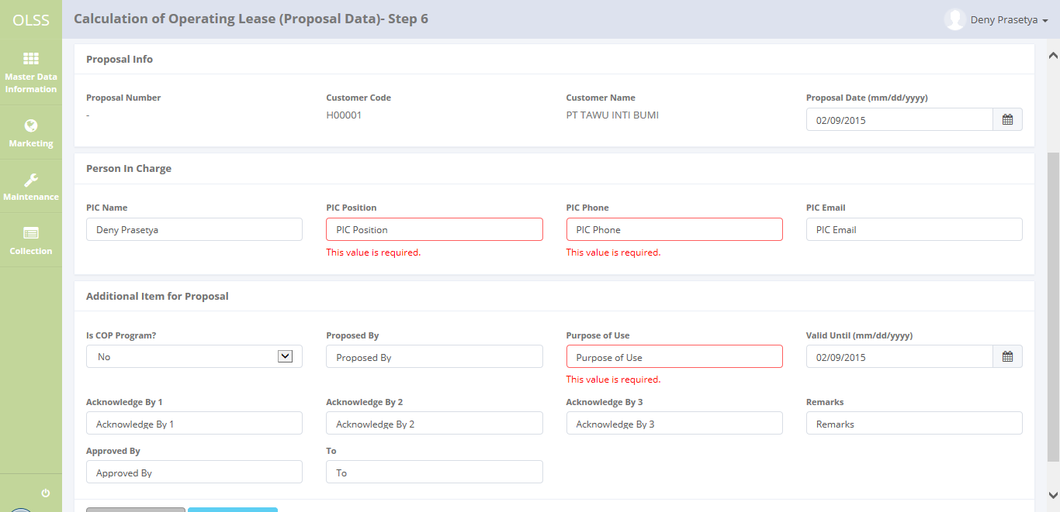
The evidence 17.6

18.1

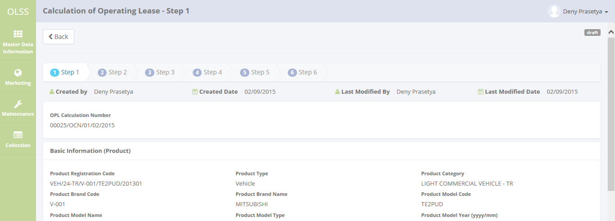
The evidence 18.1

19.1
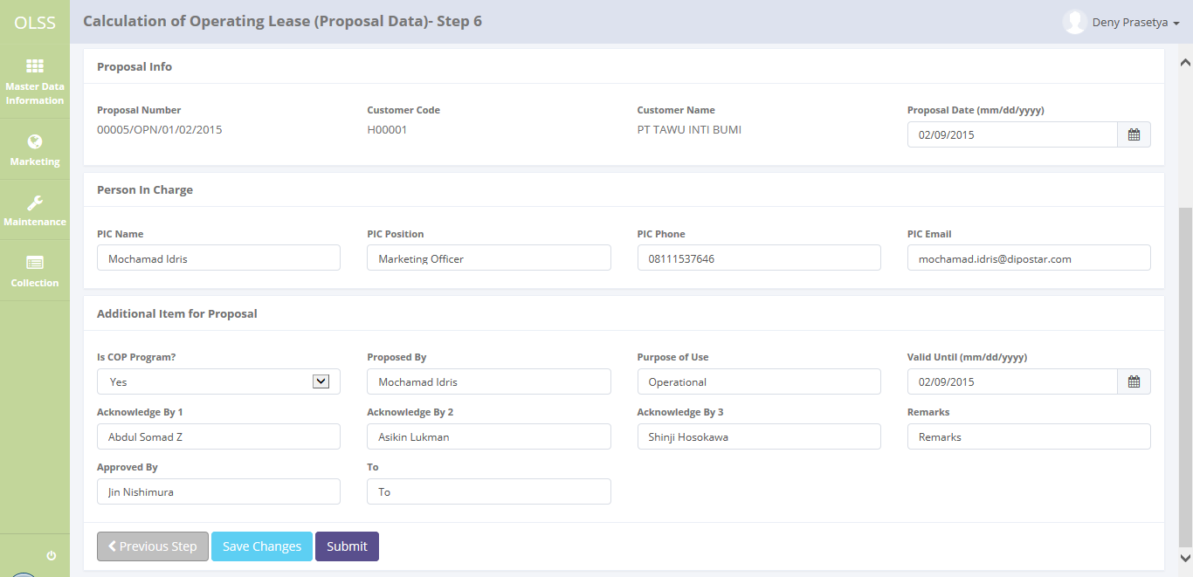
The evidence 19.1

20.1
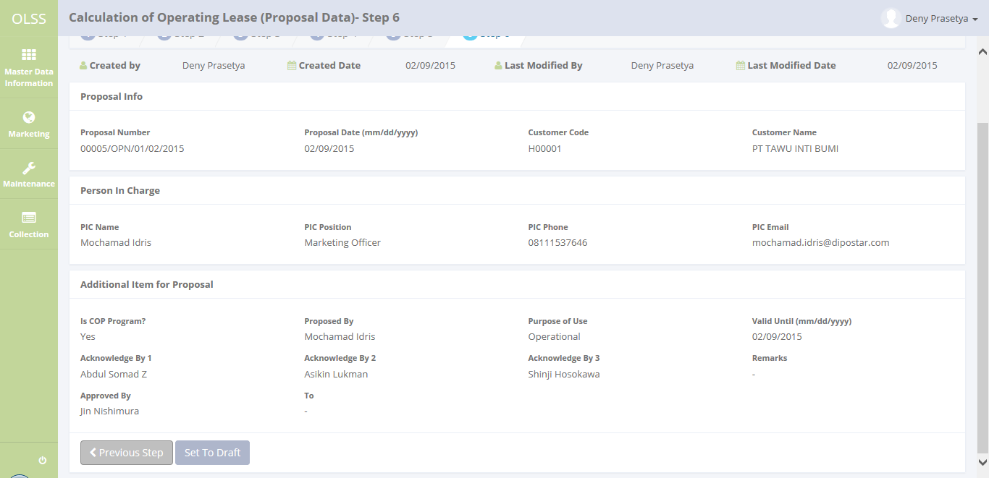
The evidence 20.1

21.1
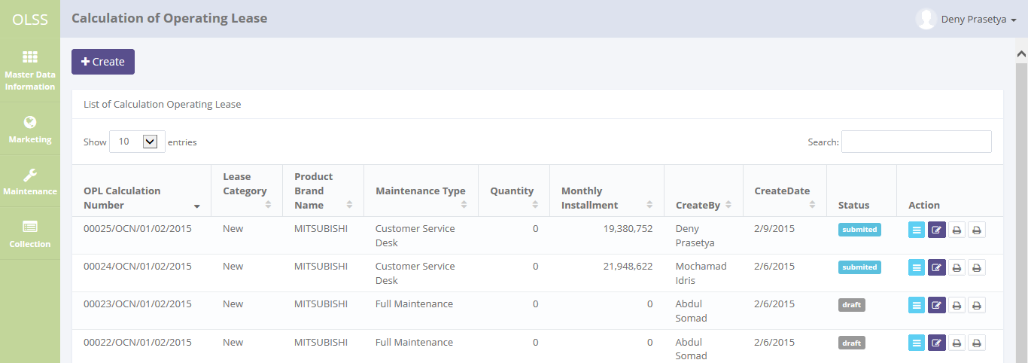
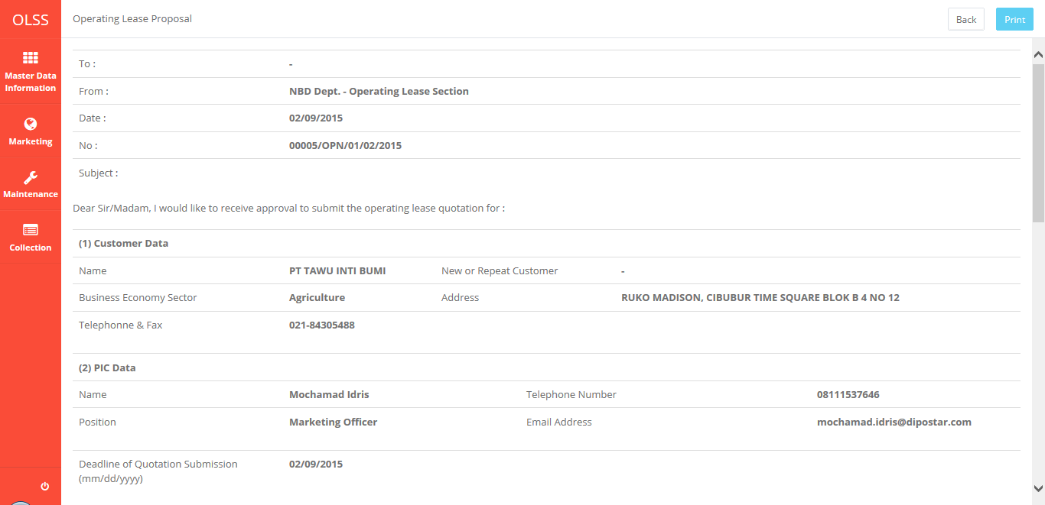
The evidence 21.1

22.1
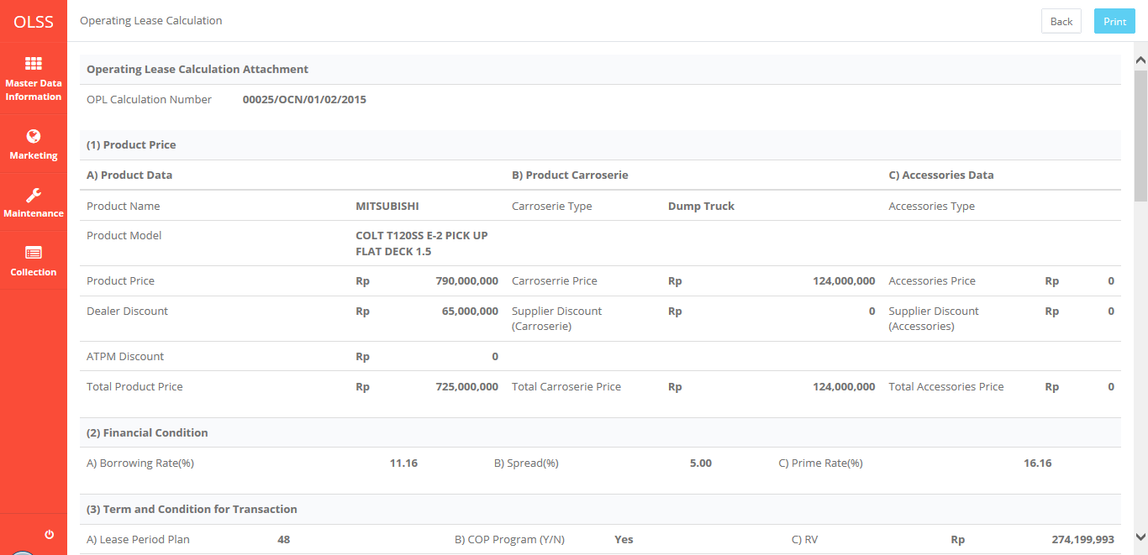
The evidence 22.1

